Outcomes Based on Launch Date
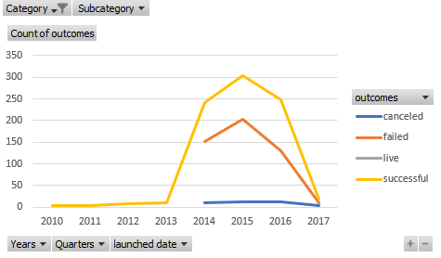
Category | theater
Subcategory | (All)

Count of outcomes | Column Labels
Row Labels | canceled | failed | live | successful | Grand Total
2010 |  |  |  | 3 | 3
2011 |  |  |  | 4 | 4
2012 |  |  |  | 8 | 8
2013 |  |  |  | 11 | 11
2014 | 10 | 152 |  | 241 | 403
2015 | 12 | 202 |  | 304 | 518
2016 | 12 | 130 |  | 249 | 391
2017 | 3 | 9 | 24 | 19 | 55
Grand Total | 37 | 493 | 24 | 839 | 1393

Outcomes Based on Goals
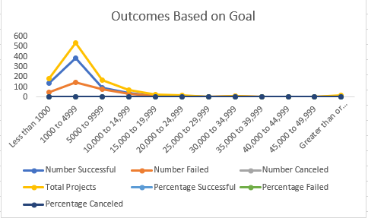
Goal | Number Successful | Number Failed | Number Canceled | Total Projects | Percentage Successful | Percentage Failed | Percentage Canceled
Less than 1000 | 141 | 45 | 0 | 186 | 76% | 24% | 0%
1000 to 4999 | 388 | 146 | 0 | 534 | 73% | 27% | 0%
5000 to 9999 | 93 | 76 | 0 | 169 | 55% | 45% | 0%
10,000 to 14,999 | 39 | 33 | 0 | 72 | 54% | 46% | 0%
15,000 to 19,999 | 12 | 12 | 0 | 24 | 50% | 50% | 0%
20,000 to 24,999 | 9 | 11 | 0 | 20 | 45% | 55% | 0%
25,000 to 29,999 | 1 | 4 | 0 | 5 | 20% | 80% | 0%
30,000 to 34,999 | 3 | 8 | 0 | 11 | 27% | 73% | 0%
35,000 to 39,999 | 4 | 2 | 0 | 6 | 67% | 33% | 0%
40,000 to 44,999 | 2 | 1 | 0 | 3 | 67% | 33% | 0%
45,000 to 49,999 | 0 | 1 | 0 | 1 | 0% | 100% | 0%
Greater than or equal to 50000 | 2 | 14 | 0 | 16 | 13% | 88% | 0%

